Bug Report
BUG ID | MODULE | URL | ISSUE | Description | Attachment | Status | severity | Priority | Test_Case_ID
BR_001 | Teacher Registration | https://konnect. csttestserver.com/ teacher/login | Any Numeric & number taken as name | Teacher registration Name field taken numeric and any special character | 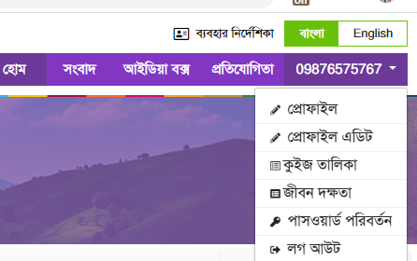 | Not Solved | Critical | Immediate | TC_TR_001
BR_002 | Teacher Registration | https://konnect. csttestserver.com/ teacher/login | Taking the wrong email formate | Teacher registration taken wrong email formate |  | Not Solved | Critical | Immediate | TC_TR_002
BR_003 | Student Registration | https://konnect. csttestserver.com/ student/login | Any Numeric & number taken as name | Student registration Name field taken numeric and any special character |  | Not Solved | Critical | Immediate | TC_SR_003
BR_004 | News Portal | https://konnect. csttestserver.com/ content_list/news | Content image not showing | 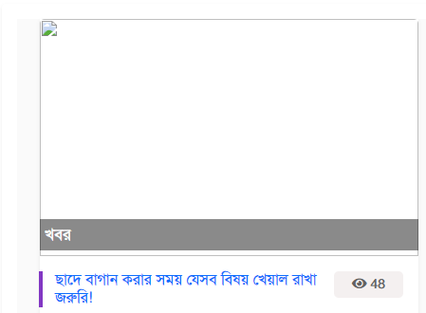 Content images are not visible inside the news portal. |  | Not Solved | Major | High | TC_SR_004
BR_005 | News Portal | https://konnect. csttestserver.com/ school/content/20 | Content details image not showing | Images of other content details by the author are not visible. |  | Not Solved | Minor | Medium | TC_SR_005
BR_006 | News Portal | https://konnect. csttestserver.com/ school/content/20 | Related Content not showing up | Related Content Image not showing |  | Not Solved | Minor | Medium | TC_SR_006
BR_007 | Idea Box | https://konnect. csttestserver.com/ view-idea-box | Vedio unavailable | Robot Video showing unavailable |  | Not Solved | Major | High | TC_SR_007
BR_008 | News Portal | https://konnect. csttestserver.com/ school/content/36 | Content Deatils issue | Instructions for student selection and data entry for scholarships pdf not found. Showing 404 not found |  | Not Solved | Major | High | TC_SR_008
BR_009 | News Portal | https://konnect. csttestserver.com/ content_list/news | Content List | Department of Primary Education link not working |  | Not Solved | Minor | Medium | TC_SR_009
BR_010 | Every module | https://konnect. csttestserver.com/ | Email Link problem | Email Link not working |  | Not Solved | Major | High | TC_SR_0010
BR_011 | Idea Box | https://konnect. csttestserver.com/ type-wise-idea/dfd | sdsd module blank | Sdsd module empty |  | Not Solved | Major | Immediate | TC_SR_0011
BR_012 | Idea Box | https://konnect. csttestserver.com/ view-idea-box | All module picture problme | Those whose videos have been uploaded are not showing their pictures. |  | Not Solved | Major | Medium | TC_SR_0012
BR_013 | Student's Profile | https://konnect. csttestserver.com/ content_list /presentation | Content List have some issue | content category presntation have content list.. content list pictures are not showing up. just 1 content picture are seen. | 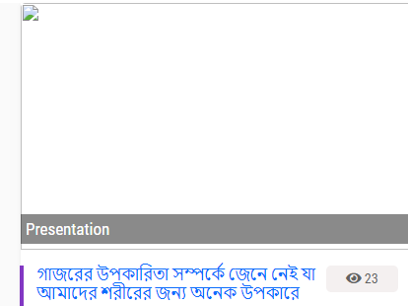 | Not Solved | Major | Immediate | TC_SR_0013
BR_014 | Student's Profile | https://konnect. csttestserver.com/ student/home | Content Category | Content category all modules video's picture not showing up |  | Not Solved | Major | Immediate | TC_SR_0014
BR_015 | Student's Profile | https://konnect. csttestserver.com /content_list/books | Content list | Content list book module selected class & selected subject part not working. |  | Not Solved | Critical | Immediate | TC_SR_0015
BR_016 | Teacher | https://konnect. csttestserver.com/ teacher-list | Teacher list | Searching in selected district, selected upazila and selected institution of teacher list shows empty. |  | Not Solved | Critical | Immediate | TC_SR_0016

